Plan1
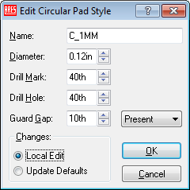
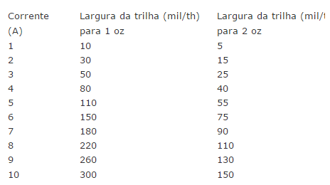
 | th=mil | mm | mm | th=mil | in | th | px | mm
 | 1 | 0.0254 | 1 | 39.37007874 | 1 | 1000 | 3.779528 | 1
 | 30 | 0.762 | 42 | 1653.5433071 | 0.4 | 400 | 158.740176 | 42

 | in | mm
 | 1 | 25.4
 | 0.4 | 10.16
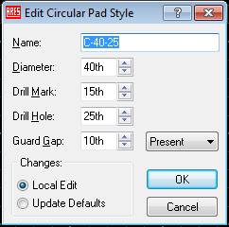
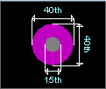

Conector de 5 pinos

